Sheet1
CO2 Optimisation
Molecule | CO2 |  | x axis | y axis water | y axis co2
O-C-O (a angle) | O-C (distance) | Energy (SCF) | 1 | -76.38340219 | -188.4841949
180 | 1.1628 | -188.51603894 | 2 | -76.38375995 | -188.5160287
 |  |  | 3 | -76.38376619 | -188.5160389
Molecule | H2O |  | 4 | -76.38376619 | -188.5160389
H-O-H (a angle) | O-H (distance) | Energy (SCF)
105.82736 | 0.96587 | -76.3837661896

 |  | WATER |  |  |  | CO2
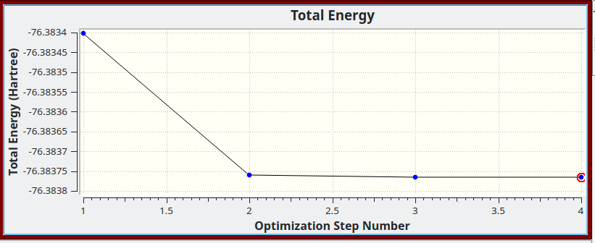
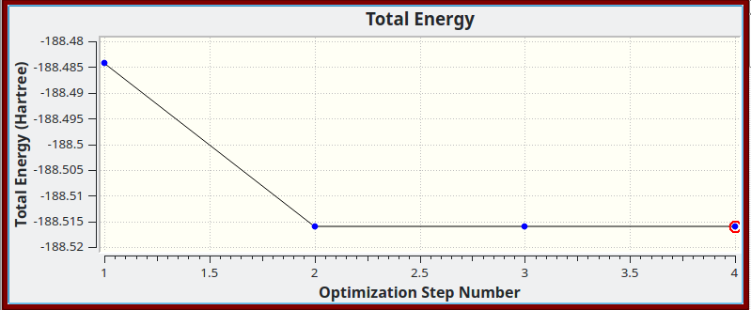

H2O Optimisation

